Sheet1
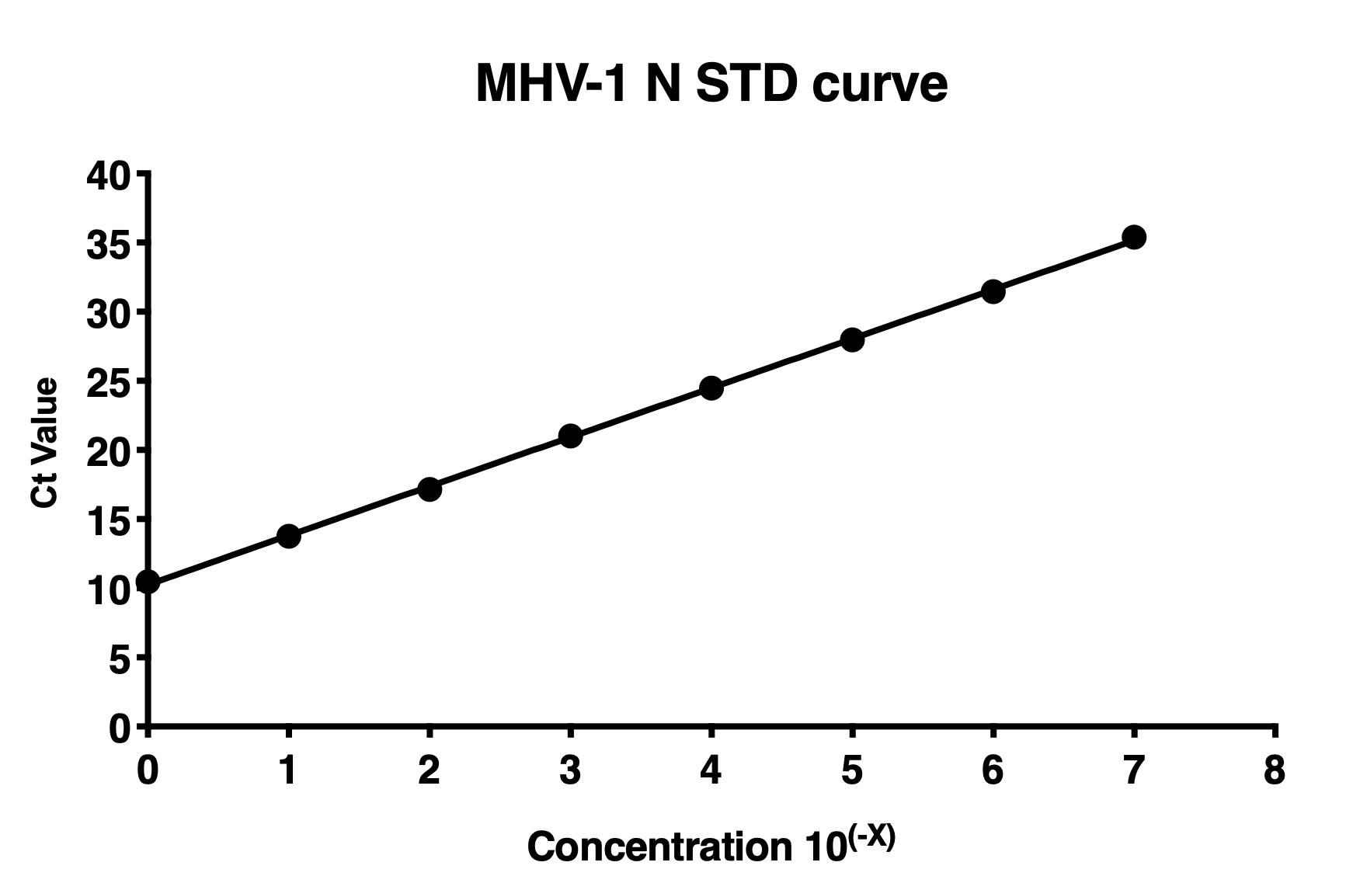
Std Curve 1 (ng/uL) | Dilution | Ct |  | Best-fit values
2200 | Straight | 11.692 | 11.679 | Slope | 3.557
220 | 10^-1 | 15.036 | 14.994 | Y-intercept | 10.26
22 | 10^-2 | 18.495 | 18.661 | X-intercept | -2.885
2.2 | 10^-3 | 21.980 | 22.227 | 1/slope | 0.2811
0.22 | 10^-4 | 25.169 | 25.672
0.022 | 10^-5 | 28.617 | 29.042 | Std. Error
0.0022 | 10^-6 | 32.118 | 32.648 | Slope | 0.04082
0.00022 | 10^-7 | 35.240 | 34.920 | Y-intercept | 0.1708

 |  |  |  | 95% Confidence Intervals
 |  |  |  | Slope | 3.470 to 3.645
 |  |  |  | Y-intercept | 9.898 to 10.63
 |  |  |  | X-intercept | -3.056 to -2.722

 |  |  |  | Goodness of Fit
 |  |  |  | R square | 0.9982
 |  |  |  | Sy.x | 0.3741

 |  |  |  | Is slope significantly non-zero?
 |  |  |  | F | 7596
 |  |  |  | DFn, DFd | 1, 14
 |  |  |  | P value | <0.0001
 |  |  |  | Deviation from zero? | Significant

 |  |  |  | Equation | Y = 3.557*X + 10.26

 |  |  |  | Data
 |  |  |  | Number of X values | 16
 |  |  |  | Maximum number of Y replicates | 2
 |  |  |  | Total number of values | 16
 |  |  |  | Number of missing values | 0

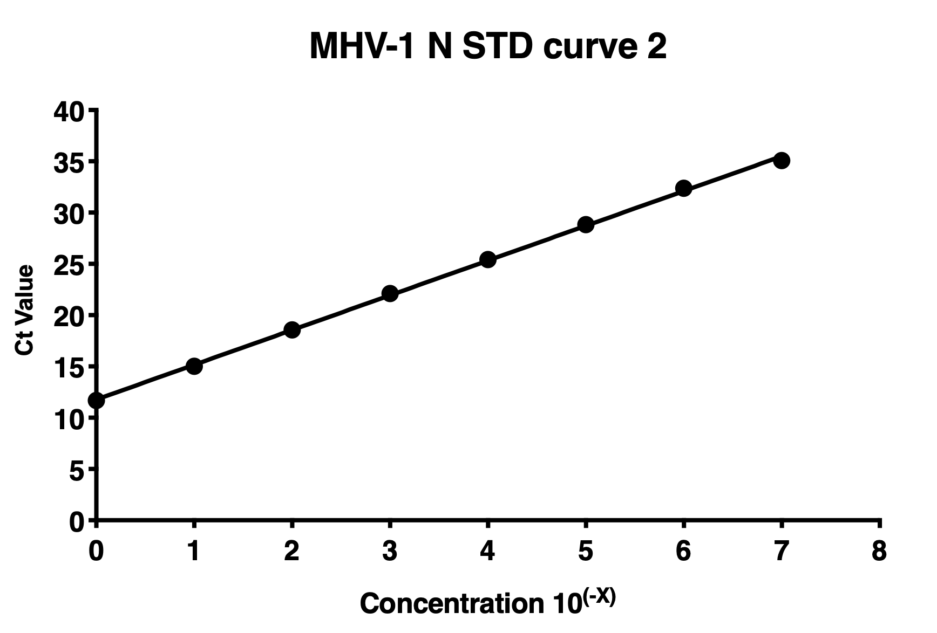
Std Curve 2 (ng/uL) | Dilution | Ct | Ct | Best-fit values
2200 | Straight | 10.84 | 10.11 | Slope | 3.389
220 | 10^-1 | 13.677 | 13.87 | Y-intercept | 11.78
22 | 10^-2 | 16.996 | 17.311 | X-intercept | -3.475
2.2 | 10^-3 | 20.717 | 21.307 | 1/slope | 0.2951
0.22 | 10^-4 | 24.165 | 24.783
0.022 | 10^-5 | 27.607 | 28.337 | Std. Error
0.0022 | 10^-6 | 30.911 | 32.019 | Slope | 0.03068
0.00022 | 10^-7 | 35.473 | 35.321 | Y-intercept | 0.1284

 |  |  |  | 95% Confidence Intervals
 |  |  |  | Slope | 3.323 to 3.455
 |  |  |  | Y-intercept | 11.50 to 12.05
 |  |  |  | X-intercept | -3.620 to -3.335

 |  |  |  | Goodness of Fit
 |  |  |  | R square | 0.9989
 |  |  |  | Sy.x | 0.2812

 |  |  |  | Is slope significantly non-zero?
 |  |  |  | F | 12199
 |  |  |  | DFn, DFd | 1, 14
 |  |  |  | P value | <0.0001
 |  |  |  | Deviation from zero? | Significant

 |  |  |  | Equation | Y = 3.389*X + 11.78

 |  |  |  | Data
 |  |  |  | Number of X values | 16
 |  |  |  | Maximum number of Y replicates | 2
 |  |  |  | Total number of values | 16
 |  |  |  | Number of missing values | 0

